Rafed-System
 | https://tester.demo-rafed.com/
Created by | Eng. HaZim Aly Khalifa
GitHub | https://github.com/HaZim-Ali
Content Type | Web Test Cases & Bug Report
Test ID | Test Scenario | Description | Pre-Conditions | Test Steps | Test Data | Expected Result | Actual Result | Screen Shoots | Status | Version | Device | Application | Connection | Executed By | Created By | Viewed By | Test Date
TC_1 | Assign Employee File | creating a new employee file | User is logged in with valid credentials | 1- Navigate to the "Assign Employee File" page. 2- Click on "Create New Employee" button. 3- Fill in the employee details in the required fields (name, position). 4- Click on the "Save" button. Verify if the new employee file is created successfully. | 1- Full name "حازم على خليفة" 2- Gender "ذكر" 3- ID "2345678922" 4- Date of birth "29/12" 5- Marital status "Married" 6- ID "المملكة العربية السعودية" 7- Family members "12" | The system should create the employee file and display a success message. | The file has been successfully created, and a notification has been sent to the system administrator to assign access permissions. Account number: "940040069" |  | Pass | V1 | Lenovo | Web Chrome | 4G | Eng. HaZim Aly | Eng. HaZim Aly |  | 25/12/2024
TC_2 | Employee Reports | generating employee reports | User is logged in with valid credentials | 1- Navigate to the "Employee Reports" page. 2- Select the "Adding a bar" 3-Fill all data in all bars 4- Verify that the report is displayed correctly. | All data | The add bar "Job grade" should supported writing text | When fill text in "job grade" the text bar not supported write text numbers only | 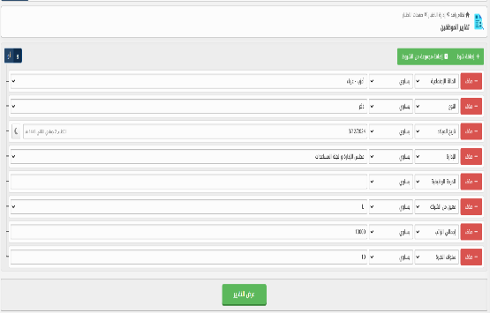 | Fail
TC_3 | Assign Employee File | Verify that the employee name field is mandatory. | User is logged in with valid credentials | 1- Navigate to the "Assign Employee File" page. 2- Leave the employee name field empty. 3- Click the "Save" button. | Empty field | The system should display an error message indicating that the employee name is required. | Error in the basic data. The name must be entered with at least three parts in Arabic |  | Pass
TC_4 | Employee File Creation with Valid Data | Verify that an employee file is created successfully when valid data is provided. | User is logged in with valid credentials. | 1- Navigate to the "Assign Employee File" page. 2- Fill in the employee details with valid data. 3- Click on the "Save" button. | All data | The system should create the employee file successfully, and the user should be redirected to the employee list. | The system should create the employee file successfully, and the user should be redirected to the employee list. |  | Pass
TC_5 | Employee Basic data | Verify that the Basic data can be selected gender and switch correctly. | User is logged in with valid credentials. | 1- Navigate to the "Employee Reports" page. 2- Select a Basic data 3- Click the "Gender" button. 4- Switch button | 1- Click on "Male" 2- Switch to "Female" | The system should switch correctly between gender selection | When selected "Male" and switch to "female" Both were chosen together | 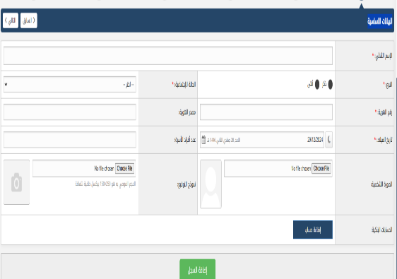 | Fail
TC_6 | Employee contact information | Verify that the system can select any country code | User is logged in with valid credentials | 1- Navigate to the "Employee contact information" page. 2- Click on country code 3- Select your country code | N/A | The system should have list related "country code" | When clicked on country code field expected to show country code list but actual not clickable |  | Fail
TC_7 | Reviewing an employee's file | Verify that the system Reviewing an employee's file page with full data | User is logged in with valid credentials | 1- Navigate to the "Reviewing an employee's filet" page. 2- Click on Reviewing an employee's file | N/A | The system should reviewing the file without missing any data | When the 'Review employee file' button is clicked, all data in the file should be displayed. However, the 'Gender' field shows 'Male' while the actual value is 'Not Available'. | 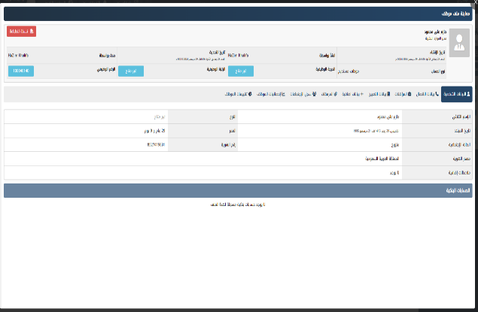 | Fail
TC_8 | Reviewing an employee's file | Verify that the system Reviewing an employee's file page with full data | User is logged in with valid credentials | 1- Navigate to the "Reviewing an employee's filet" page. 2- Click on Reviewing an employee's file | N/A | The system should reviewing the file without missing any data | When the 'Review employee file' button is clicked, all data in the file should be displayed. However, the 'Phone Number' field shows '852741963' while the actual value is 'Not Available'. | 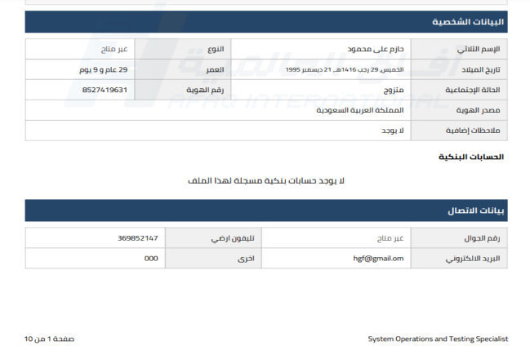 | Fail
TC_9 | Reviewing an employee's file | Verify that the system Reviewing an employee's file page with full data | User is logged in with valid credentials | 1- Navigate to the "Reviewing an employee's filet" page. 2- Click on Reviewing an employee's file | N/A | The system should reviewing the file without missing any data | When the 'Review employee file' button is clicked, all data in the file should be displayed. However, the 'Profile Photos' field shows 'Image' while the actual value is 'Empty'. | 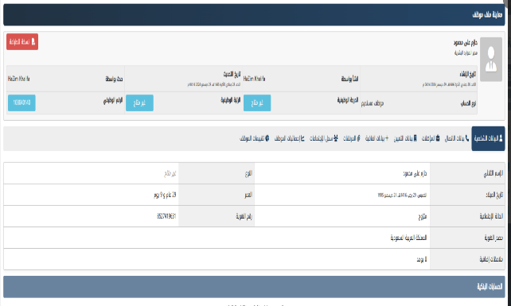 | Fail
TC_10 | Reviewing an employee's file | Verify that the system Reviewing an employee's file page with full data | User is logged in with valid credentials | 1- Navigate to the "Reviewing an employee's filet" page. 2- Click on Reviewing an employee's file | N/A | The system should reviewing the file without missing any data | When the 'Review employee file' button is clicked, all data in the file should be displayed. However, the 'Pdf file' field shows 'file' while the actual value is 'Empty'. |  | Fail
TC_11 | Reviewing an employee's file | Verify that the system Reviewing an employee's file page with full data | User is logged in with valid credentials | 1- Navigate to the "Reviewing an employee's filet" page. 2- Click on Reviewing an employee's file | N/A | The system should reviewing the file without missing any data | When the 'Review employee file' button is clicked, all data in the file should be displayed. However, the 'Signature model' field shows 'Pdf file' while the actual value is 'Empty'. |  | Fail
TC_12 | Include Weekly Holiday in Absence Calculation (Enabled) | Verify that enabling this option correctly includes weekly holidays when calculating absence duration. | System settings page is open | 1- Check the "Include Weekly Holiday in Absence" checkbox 'yes' 2- Save the settings 3- Simulate an employee absence that spans a weekly holiday. | Absence Dates: Friday and Sunday (assuming Saturday is the weekly holiday) | The absence duration is calculated including the Saturday weekly holiday. | The absence duration is calculated including the Saturday weekly holiday. |  | Pass
TC_13 | Assign Employee File | Verify that the system prevents the creation of duplicate employee files. | User is logged in with valid credentials. | 1- Navigate to the "Assign Employee File" page. 2- Enter details for an existing employee. 3- Click on "Save". |  | The system should show a message indicating the employee already exists. | The system should show a message indicating the employee already exists. |  | Pass
TC_14 | Verify Employee Name Format | Ensure that the employee name field only accepts valid input (no special characters). | User is logged in with valid credentials. | 1- Navigate to the "Assign Employee File" page. 2- Enter an invalid employee name with special characters. 3- Attempt to save the file. | name : "حازم على $$$" | The system should display an error message stating that the name format is invalid. | The system should display an error message stating that the name format is invalid. |  | Pass
TC_15 | Check Employee File for Missing Contact Information | Verify that the system prompts an error when contact information is not provided. | User is logged in with valid credentials. | 1- Navigate to the "Assign Employee File" page. 2- Leave the contact information (phone, email) empty. 3- Click "Save". | N/A | The system should display an error message indicating that contact information is required. | No error message for missing contact information | 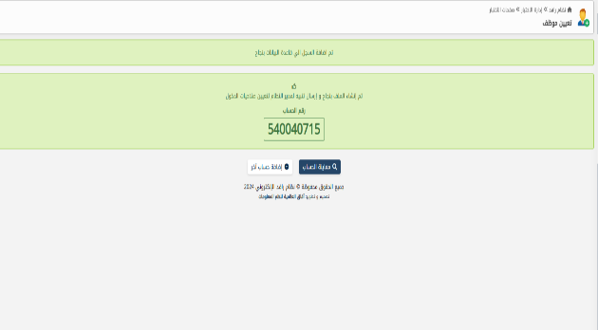 | Fail
TC_16 | Verify File Assignment to Department | Verify that the employee file is correctly assigned to the selected department. | User is logged in with valid credentials and the department exists. | 1- Navigate to the "Assign Employee File" page. 2- Select a department from the dropdown. 3- Click "Save". | مدير الموارد البشرية | The employee file should be successfully saved and assigned to the selected department. | When selected in "Job title" human resources and in hiring department "ادارة الاوقاف" expected to show error message from system to edit "job title"with"department" | 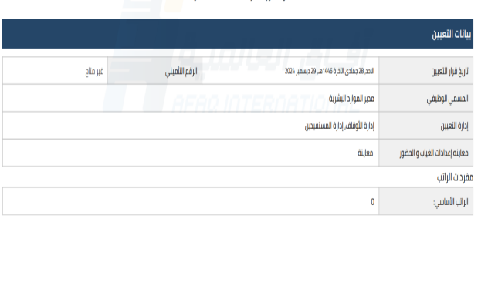 | Fail
TC_17 | Employee File Status Update | Verify that the status of an employee file can be updated. | User is logged in with valid credentials. | 1- Navigate to the "Assign Employee File" page. 2- Select an employee. 3- Change the employee status (Active, Inactive). 4- Click "Save". |  | The status should be successfully updated | The status should be successfully updated |  | Pass
TC_18 | Employee Reports | Verify that employee reports can be filtered by department and status. | User is logged in with valid credentials and there are employees in the system. | 1- Navigate to the "Employee Reports" page. 2- Select a department and employee status from the filters. 3- Click "Generate Report". | حازم على | The report should be filtered based on the selected department and employee status. | when write a name in filter field expected to show my result but actual "None" | 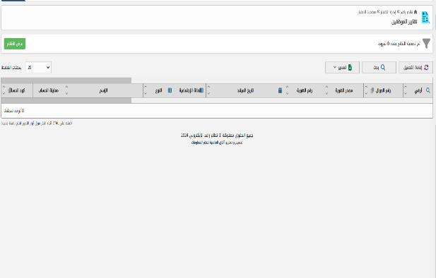 | Fail
TC_19 | Verify Report Export to Excel | Ensure the employee report can be exported to an Excel file. | User is logged in with valid credentials. | 1- Navigate to the "Employee Reports" page. 2- Click on the "Export to Excel" button. | حازم على محمود | An Excel file containing the employee data should be downloaded. | An Excel file containing the employee data should be downloaded. |  | Pass
TC_20 | Check No Results for Invalid Filters | Verify that no results are displayed when invalid filter criteria are selected. | User is logged in with valid credentials and there are employees in the system. | 1- Navigate to the "Employee Reports" page. 2- Apply filters that would result in no employees matching. 3- Click "Generate Report" | شازم | The report should display a message indicating that no employees match the selected criteria. | The report should display a message indicating that no employees match the selected criteria. |  | Pass
TC_21 | News Management | Verify that a news post can be deleted successfully. | User is logged in with valid credentials and has a news post | 1- Navigate to the "Manage News" page. 2- Select a news post. 3- Click "Delete" | N/A | The news post should be deleted successfully. | The news post should be deleted successfully. |  | Pass
TC_22 | Verify News Post Visibility on Website | Verify that a news post is visible on the website once created. | User is logged in with valid credentials and has created a news post. | 1- Navigate to the "Manage News" page. 2- Create a news post. 3- Visit the public-facing website. | N/A | The news post should be visible on the website. | The news post should be visible on the website. |  | Pass
TC_23 | Attendance Settings | Verify that attendance settings can be created for multiple departments. | User is logged in with valid credentials. | 1- Navigate to the "Attendance Settings" page. 2- Create attendance settings for multiple departments. 3- Save the settings. | N/A | The attendance settings should be successfully saved for all selected departments. | The attendance settings should be successfully saved for all selected departments. |  | Pass
TC_24 | Check Attendance Report Generation | Verify that an attendance report can be generated for all employees. | User is logged in with valid credentials and attendance data exists | 1- Navigate to the "Attendance Settings" page. 2- Generate an attendance report for all employees. |  | The system should generate the attendance report for all employees |  |  | Fail
TC_25 | Assign Employee File | Ensure all mandatory fields (Employee Name, Department, Contact Information) are validated. | User is logged in with valid credentials | 1- Navigate to the "Assign Employee File" page. 2- Leave one or more mandatory fields empty. 3- Attempt to save the form. | Assurance number : Empty | The system should display error messages for the empty mandatory fields. | No error message for empty field | 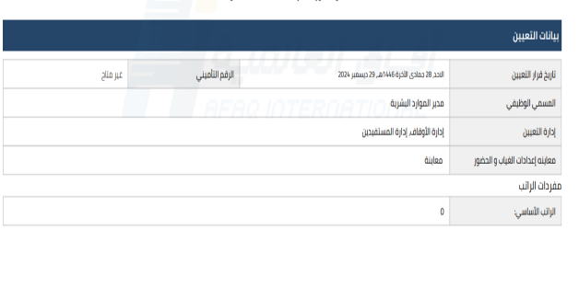 | Fail
TC_26 | Verify Role Assignment | Ensure the employee role can be assigned correctly from the dropdown. | User is logged in with valid credentials. | 1- Navigate to the "Assign Employee File" page. 2- Select a role from the dropdown menu. 3- Save the file. | The neighborhood or the village | The role should be successfully assigned to the employee. | The neighborhood or village contains only one other; there is no other data. | 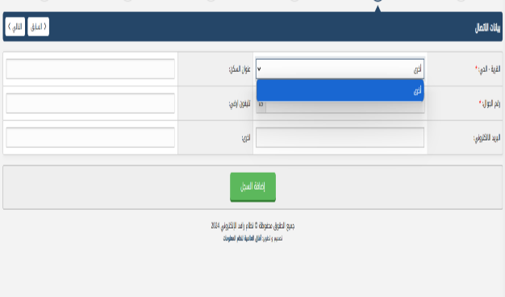 | Fail
TC_27 | Navigation to Employee List | Verify that the user can navigate to the employee list page from the "Assign Employee File" page | User is logged in with valid credentials | 1- Navigate to the "Assign Employee File" page. 2- Click on the "Employee List" link/button. | N/A | The system should navigate to the employee list page without errors. | The system should navigate to the employee list page without errors. |  | Pass
TC_28 | Employee Reports | Ensure the report displays pagination for large datasets. | User is logged in with valid credentials and the dataset exceeds one page. | 1- Navigate to the "Employee Reports" page. 2- Apply filters that result in a large dataset. 3- Check for pagination at the bottom of the report | N/A | Pagination should be displayed for the report | Pagination should be displayed for the report |  | Pass
TC_29 | Verify Report Sorting | Verify that reports can be sorted by different columns (e.g., Name, Department, Status) | User is logged in with valid credentials and a report has been generated. | 1- Navigate to the "Employee Reports" page. 2- Click on column headers to sort the report | N/A | The report should be sorted based on the selected column. | The report should be sorted based on the selected column but the report not sorted |  | Fail
TC_30 | Check Export Report in PDF Format | Verify that the employee report can be exported as a PDF. | User is logged in with valid credentials | 1- Navigate to the "Employee Reports" page. 2- Click on the "Export to PDF" button. | N/A | A PDF file containing the employee data should be downloaded. | A PDF file containing the employee data should be downloaded. |  | Pass
TC_31 | Issue Payment Receipt | Ensure all required fields are validated before generating a receipt. | User is logged in with valid credentials | 1- Navigate to the "Issue Payment Receipt" page. 2- Leave required fields empty. 3- Attempt to generate the receipt. | N/A | The system should display error messages for empty fields. | The system should display error messages for empty fields. |  | Fail
TC_32 | News Management | Verify that an existing news post can be updated | User is logged in with valid credentials and there is at least one news post. | 1- Navigate to the "Manage News" page. 2- Select a news post. 3- Update the content and save. | N/A | The updated news post should be saved and visible. | The news post updated and visible but when try to edit given me this message | 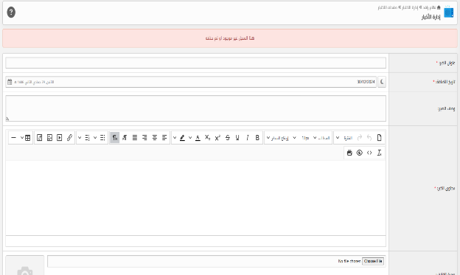 | Fail
TC_33 | Verify Image Upload for News | Ensure images can be uploaded and attached to a news post | User is logged in with valid credentials | 1- Navigate to the "Manage News" page. 2- Create a news post. 3- Upload an image and save. | N/A | The image should be successfully uploaded and attached to the news post | The image uploaded correctly but when check on the post in the post list the image not updated after post saved | 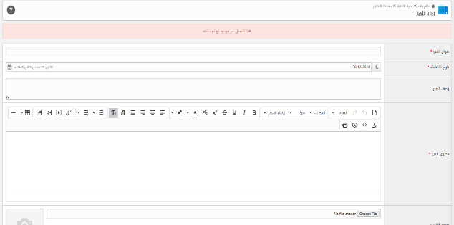 | Fail
TC_34 | Attendance Settings | Verify that the system validates the time range (start time cannot be after end time). | User is logged in with valid credentials | 1- Navigate to the "Attendance Settings" page. 2- Set a start time that is later than the end time. 3- Save the settings. | N/A | The system should display an error message indicating the invalid time range. | No error message including the invalid time range |  | Fail
TC_35 | Verify Default Settings Reset | Verify that the attendance settings can be reset to default | User is logged in with valid credentials and settings are customized. | 1- Navigate to the "Attendance Settings" page. 2- Click on the "Reset to Default" button. | N/A | The attendance settings should be reset to the default configuration | The page not supported any setting button | 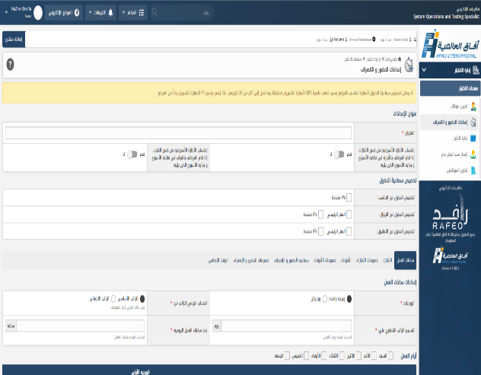 | Fail
TC_36 | Hiring Employee | Verify to write invalid full name | User is logged in with valid credentials and settings are customized. | 1- Navigate to the "personal data" page. 2- Click on the "full name" text bar 3- Write numbers 4- Click on "Add record" button | 1- Navigate to the "personal data" page. 2- Click on the "full name" text bar 3- 123456 4- Click on "Add record" button | Error: in the basic data, the full name must be entered at least in Arabic. | Error: in the basic data, the full name must be entered at least in Arabic. |  | Pass
TC_37 | Hiring Employee | Verify to write invalid full name | User is logged in with valid credentials and settings are customized. | 1- Navigate to the "personal data" page. 2- Click on the "full name" text bar 3- Write one name with Arabic 4- Click on "Add record" button | 1- Navigate to the "personal data" page. 2- Click on the "full name" text bar 3- احمد 4- Click on "Add record" button | Error: in the basic data, the full name must be entered at least in Arabic. | Error: in the basic data, the full name must be entered at least in Arabic. |  | Pass
TC_38 | Hiring Employee | Verify to write invalid full name | User is logged in with valid credentials and settings are customized. | 1- Navigate to the "personal data" page. 2- Click on the "full name" text bar 3- Write two names with Arabic 4- Click on "Add record" button | 1- Navigate to the "personal data" page. 2- Click on the "full name" text bar 3- احمد محمد 4- Click on "Add record" button | Error: in the basic data, the full name must be entered at least in Arabic. | Error: in the basic data, the full name must be entered at least in Arabic. |  | Pass
TC_39 | Hiring Employee | Verify to write valid full name | User is logged in with valid credentials and settings are customized. | 1- Navigate to the "personal data" page. 2- Click on the "full name" text bar 3- Write three names with Arabic 4- Click on "Add record" button | 1- Navigate to the "personal data" page. 2- Click on the "full name" text bar 3- محمود احمد محمد 4- Click on "Add record" button | The name has been accepted. | The name has been accepted. |  | Pass
TC_40 | Hiring Employee | Verify to write invalid full name | User is logged in with valid credentials and settings are customized. | 1- Navigate to the "personal data" page. 2- Click on the "full name" text bar 3- Write two names with Arabic and special characters 4- Click on "Add record" button | 1- Navigate to the "personal data" page. 2- Click on the "full name" text bar 3- محمود احمد $$ 4- Click on "Add record" button | Error: in the basic data, the full name must be entered at least in Arabic. | Error: in the basic data, the full name must be entered at least in Arabic. |  | Pass
TC_41 | Hiring Employee | Verify to select "Gender" | User is logged in with valid credentials and settings are customized. | 1- Navigate to the "personal data" page. 2- Select "Gender" | 1- Navigate to the "personal data" page. 2- Select "Male" | The gender has been accepted. | The gender has been accepted. |  | Pass
TC_42 | Hiring Employee | Verify to select "Gender" | User is logged in with valid credentials and settings are customized. | 1- Navigate to the "personal data" page. 2- Select "Gender" | 1- Navigate to the "personal data" page. 2- Select "Female" | Switch to "Female" | Select "Male & Female" | 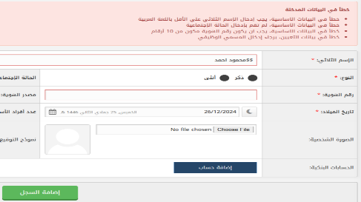 | Fail
TC_43 | Hiring Employee | Verify to select "Marital status" | User is logged in with valid credentials and settings are customized. | 1- Navigate to the "personal data" page. 2- Select "Marital status" | 1- Navigate to the "personal data" page. 2- Select "Marital status" is Divorced | Showing marital status | The drop down list not supported any types without "single" and "married" | 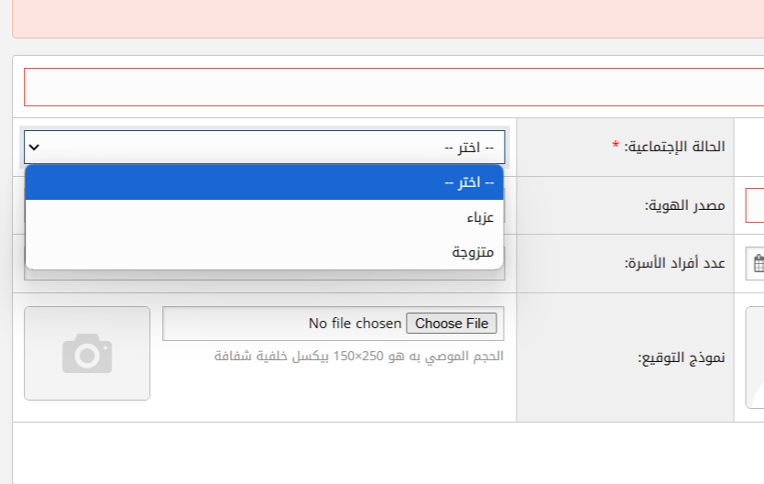 | Fail
TC_44 | Hiring Employee | Verify to write valid "ID number" | User is logged in with valid credentials and settings are customized. | 1- Navigate to the "personal data" page. 2- Write 10 numbers in "ID number" text bar | 1- Navigate to the "personal data" page. 2- Write 10 numbers in "1234567891" text bar | The "ID number" is passed | The "ID number" is passed |  | Pass
TC_45 | Hiring Employee | Verify to write invalid "ID number" | User is logged in with valid credentials and settings are customized. | 1- Navigate to the "personal data" page. 2- Write 9 numbers in "ID number" text bar | 1- Navigate to the "personal data" page. 2- Write 9 numbers in "123456789" text bar | Error in the basic data, the ID number must consist of 10 digits. | Error: in the basic data, the ID number must consist of 10 digits. |  | Pass
TC_46 | Hiring Employee | Verify to write invalid "ID number" | User is logged in with valid credentials and settings are customized. | 1- Navigate to the "personal data" page. 2- Write 11 numbers in "ID number" text bar | 1- Navigate to the "personal data" page. 2- Write 11 numbers in "12345678910" text bar | Error in the basic data, the ID number must consist of 10 digits. | More than 10 digits cannot be entered. |  | Pass
TC_47 | Hiring Employee | Verify to write valid "Source of identity" | User is logged in with valid credentials and settings are customized. | 1- Navigate to the "personal data" page. 2- Click on the "Source of identity" text bar 3- Write valid Source identity 4- Click on "Add record" button | 1- Navigate to the "personal data" page. 2- Click on the "Source of identity" text bar 3- Write "المملكة العربية السعودية" 4- Click on "Add record" button | The source identity is passed | The source identity is passed |  | Pass
TC_48 | Hiring Employee | Verify to write invalid "Source of identity" | User is logged in with valid credentials and settings are customized. | 1- Navigate to the "personal data" page. 2- Click on the "Source of identity" text bar 3- Write invalid Source identity 4- Click on "Add record" button | 1- Navigate to the "personal data" page. 2- Click on the "Source of identity" text bar 3- Write "نوالالبؤلبىؤرتةلامنوةمكىولاى ةاتىلاوتةىلا ونةىنتةنتلاةتاىرةتلاونىونةى ونةلانةلا نتة" 4- Click on "Add record" button | Error in the basic data, the source of the ID was not written correctly. | Source of identity is passed | 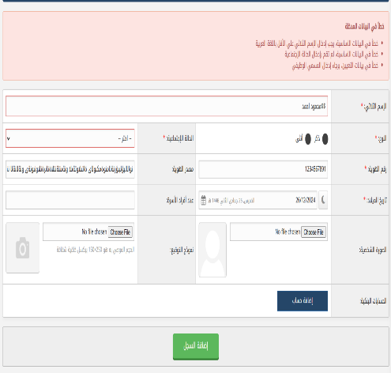 | Fail
TC_49 | Hiring Employee | Verify to write invalid "Source of identity" | User is logged in with valid credentials and settings are customized. | 1- Navigate to the "personal data" page. 2- Click on the "Source of identity" text bar 3- Write invalid Source identity 4- Click on "Add record" button | 1- Navigate to the "personal data" page. 2- Click on the "Source of identity" text bar 3- Write "k,ghgfhhg,khkjhmgjhmgkjhbkjbkjbjkhbjmbmhj,gbjmgbmj jmhfhb,mbmnvmjnmbmn bmnbmnvnhvnvmnbn" 4- Click on "Add record" button | Error in the basic data, the source of the ID was not written correctly. | Source of identity is passed | 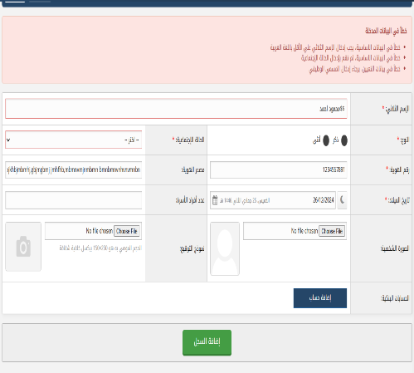 | Fail
TC_50 | Hiring Employee | Verify to write invalid "Source of identity" | User is logged in with valid credentials and settings are customized. | 1- Navigate to the "personal data" page. 2- Click on the "Source of identity" text bar 3- Write invalid "empty" Source identity 4- Click on "Add record" button | 1- Navigate to the "personal data" page. 2- Click on the "Source of identity" text bar 3- Write nothing "" 4- Click on "Add record" button | Error in the basic data, the source of the ID was not written correctly. | Error in appointment data, please enter the job title. | 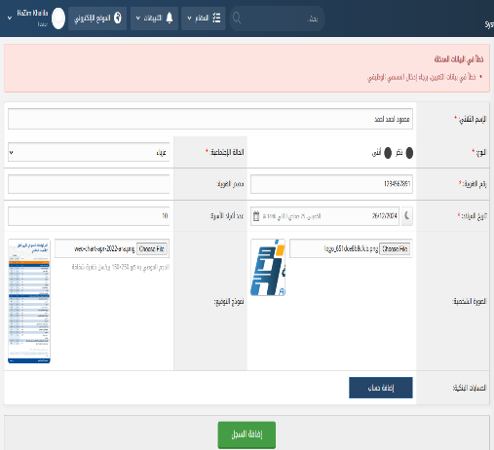 | Fail
TC_51 | Hiring Employee | Verify to write invalid "Source of identity" | User is logged in with valid credentials and settings are customized. | 1- Navigate to the "personal data" page. 2- Click on the "Source of identity" text bar 3- Write "Numbers"in Source identity 4- Click on "Add record" button | 1- Navigate to the "personal data" page. 2- Click on the "Source of identity" text bar 3- Write "123456789"in Source identity 4- Click on "Add record" button | Error in the basic data, the source of the ID was not written correctly. | Error in appointment data, please enter the job title. | 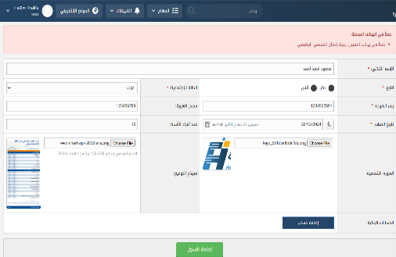 | Fail
TC_52 | Hiring Employee | Ensuring that the Hijri date aligns with the Gregorian date. | User is logged in with valid credentials and settings are customized. | 1- Navigate to the "personal data" page. 2- Click on the "Calendar" 3- Select "the Hijri date" 4- Click on "Add record" button | 1- Navigate to the "personal data" page. 2- Click on the "Calendar" 3- Select "25 Jumada al-Than 1446" 4- Click on "Add record" button | Error message: "Conversion from Hijri to Gregorian date is not 100% accurate and may result in a difference in days." Note:This service is not used; the error in the day difference should be fixed or the Hijri or Gregorian date should be deleted. | Error message: "Conversion from Hijri to Gregorian date is not 100% accurate and may result in a difference in days." | 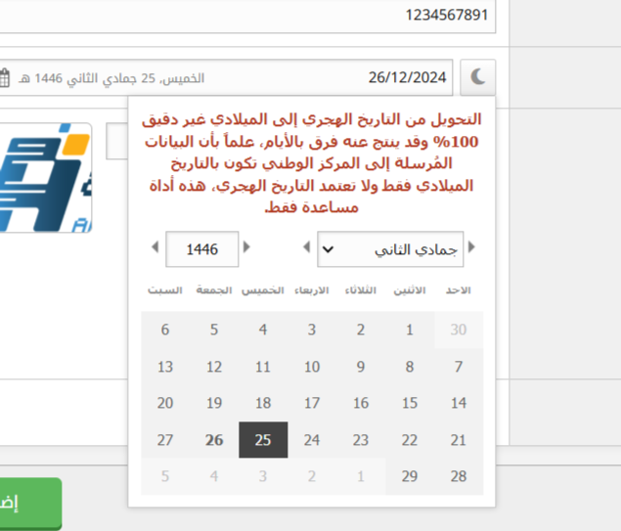 | Fail
TC_53 | Hiring Employee | Verify the number of family members contains a maximum of three digits. | User is logged in with valid credentials and settings are customized. | 1- Navigate to the "personal data" page. 2- Click on the "Numbers of family members" text bar 3- Write "three digits" 4- Click on "Add record" button | 1- Navigate to the "personal data" page. 2- Click on the "Numbers of family members" text bar 3- Write "111" 4- Click on "Add record" button | Error in appointment data, please enter the number of family members with a maximum of two digits. | No any error message | 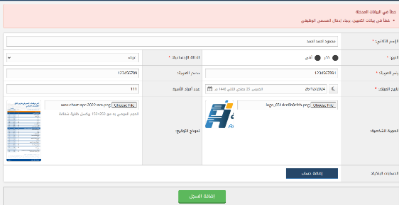 | Fail
TC_54 | Hiring Employee | Verify the photo uploaded and size correctly | User is logged in with valid credentials and settings are customized. | 1- Navigate to the "personal data" page. 2- Click on the "Choose File" 3- Select "photo from your PC" 4- Edit photo size and click on save button | 1- Navigate to the "personal data" page. 2- Click on the "Choose File" 3- Select "photo from your PC" 4- Edit photo size and click on save button | Photo uploaded correctly Note: The image size must be adjusted so that the image can be placed correctly. | The image uploaded correctly | 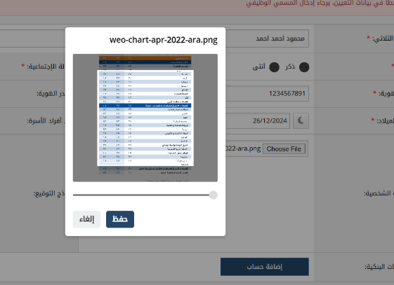 | Fail
TC_55 | Hiring Employee | Verify the photo uploaded and size correctly and remove photo from remove button | User is logged in with valid credentials and settings are customized. | 1- Navigate to the "personal data" page. 2- Click on the "Choose File" 3- Select "photo from your PC" 4- Edit photo size and click on save button 5- Remove photo from remove button | 1- Navigate to the "personal data" page. 2- Click on the "Choose File" 3- Select "photo from your PC" 4- Edit photo size and click on save button 5- Remove photo from remove button | Photo uploaded correctly Note: The image size must be adjusted so that the image can be placed correctly and the website not supported Remove Button | The image uploaded correctly |  | Fail
TC_56 | Contact information | Verify The village - the neighborhood is selected correctly from list | User is logged in with valid credentials and settings are customized. | 1- Navigate to the "Contact information" page. 2- Click on the "The village - the neighborhood" list 3- Select your The village - the neighborhood 4- Click on your selection | 1- Navigate to the "Contact information" page. 2- Click on the "The village - the neighborhood" list 3- Select your "El Sharqa" 4- Click on your selection | Selected successfully | There is no data in the list other than the word "other" | 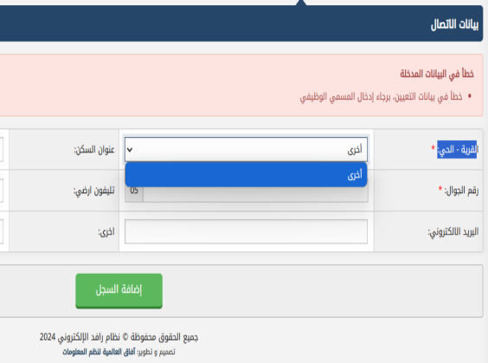 | Fail
TC_57 | Contact information | Verify the address text bar not supported numeric characters only | User is logged in with valid credentials and settings are customized. | 1- Navigate to the "Contact information" page. 2- Click on the "The address" text bar 3- Write your address 4- Click on "Add record" button | 1- Navigate to the "Contact information" page. 2- Click on the "The address" text bar 3- Write your"1234567899332256" 4- Click on "Add record" button | Error: in appointment data, the address field does not support entering numbers only. | No error message to write numbers and letters | 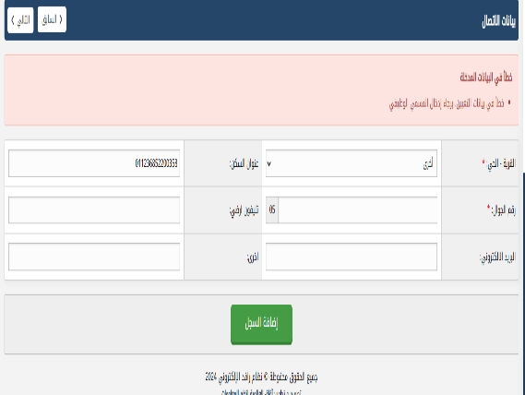 | Fail
TC_58 | Contact information | Verify the phone number text bar not supported letters | User is logged in with valid credentials and settings are customized. | 1- Navigate to the "Contact information" page. 2- Click on the "Phone number" text bar 3- Write your phone number with letters only 4- Click on "Add record" button | 1- Navigate to the "Contact information" page. 2- Click on the "Phone number" text bar 3- Write "fdbdf,xvnd" 4- Click on "Add record" button | Error: in contact details, the phone number text bar not supported letters numbers only | No error message from this text bar not supported letters | 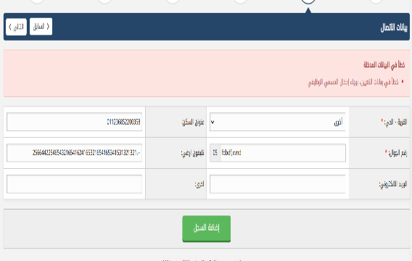 | Fail
TC_59 | Contact information | Verify the email with invalid meddle domain | User is logged in with valid credentials and settings are customized. | 1- Navigate to the "Contact information" page. 2- Click on the "email" text bar 3- Write your email address 4- Click on "Add record" button | 1- Navigate to the "Contact information" page. 2- Click on the "email" text bar 3- Write"kohaz@ali.om" 4- Click on "Add record" button | Error in contact details, the email address you entered is incorrect. | No error message from email address and email is correctly | 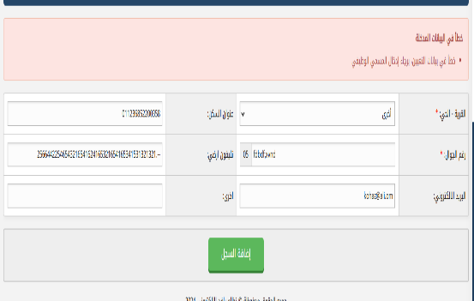 | Fail
TC_60 | Contact information | Verify the email with invalid last domain | User is logged in with valid credentials and settings are customized. | 1- Navigate to the "Contact information" page. 2- Click on the "email" text bar 3- Write invalid last domain email address 4- Click on "Add record" button | 1- Navigate to the "Contact information" page. 2- Click on the "email" text bar 3- Write"kohaz@ali.cccom" 4- Click on "Add record" button | Error in contact details, the email address you entered is incorrect. | No error message from email address and email is correctly | 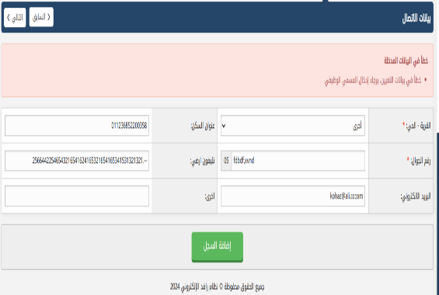 | Fail
TC_61 | Qualifications | Verify the Specialization text bar not supported numeric letters only | User is logged in with valid credentials and settings are customized. | 1- Navigate to the "Qualifications" page. 2- Click on the "Specialization" text bar 3- Write numbers only 4- Click on "Add record" button | 1- Navigate to the "Qualifications" page. 2- Click on the "Specialization" text bar 3- Write "123456789522369985254964265498541965651654196565" 4- Click on "Add record" button | Error in qualifications details, the specialization text bar not supported numbers. | No error message from specialization details | 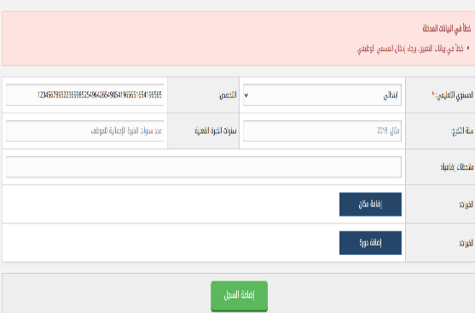 | Fail
TC_62 | Qualifications | Verify the graduation year text bar not supported any number with invalid numbers | User is logged in with valid credentials and settings are customized. | 1- Navigate to the "Qualifications" page. 2- Click on the "Graduation year" text bar 3- Write invalid numbers 4- Click on "Add record" button | 1- Navigate to the "Qualifications" page. 2- Click on the "Graduation year" text bar 3- Write "0000" 4- Click on "Add record" button | Error in qualifications details, the graduation year not successfully . | No error message from graduation year details | 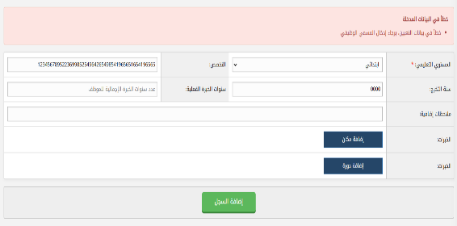 | Fail
TC_63 | Qualifications | Verify the Years of actual experience with invalid number and special characters | User is logged in with valid credentials and settings are customized. | 1- Navigate to the "Qualifications" page. 2- Click on the " Years of actual experience" text bar 3- Write invalid numbers and special characters 4- Click on "Add record" button | 1- Navigate to the "Qualifications" page. 2- Click on the " Years of actual experience" text bar 3- Write"5.31263416531653E+28" 4- Click on "Add record" button | Error in qualifications details, the Years of actual experience not successfully . | No error message from Years of actual experience details | 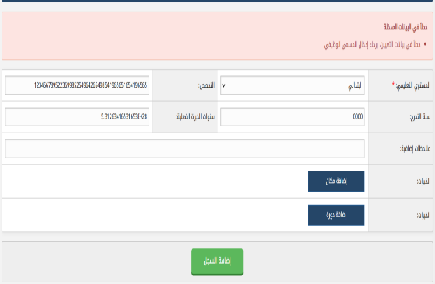 | Fail
TC_64 | Qualifications | Verify Experiences with adding a place is added successfully | User is logged in with valid credentials and settings are customized. | 1- Navigate to the "Qualifications" page. 2- Click on the "Experiences with adding a place" text bar 3- Write experiences A- Work place B- Job title C- Start date D- End date 4- Click on "Add record" button | 1- Navigate to the "Qualifications" page. 2- Click on the "Experiences with adding a place" text bar 3- Write : A- 000000000 B- 0000000 C- 26/12/2024 D- 26/12/2024 4- Click on "Add record" button | Error in Experiences with adding a place details, the data not successfully . | No error message from Experiences with adding a place | 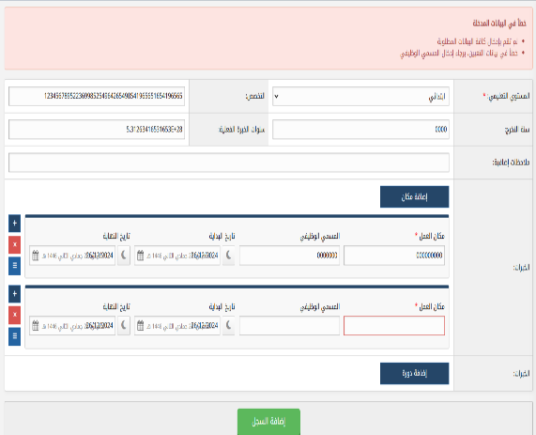 | Fail
TC_65 | Qualifications | Verify "Experiences with adding a place" remove button is works | User is logged in with valid credentials and settings are customized. | 1- Navigate to the "Qualifications" page. 2- Click on the "Experiences with adding a place" text bar 3- Click on remove button from adding a place 4- Click on "Add record" button | 1- Navigate to the "Qualifications" page. 2- Click on the "Experiences with adding a place" text bar 3- Click on remove button from adding a place 4- Click on "Add record" button | Adding a place bar is removed successfully | When clicked on remove button in adding a place expected to remove bar but actual not action to remove bar | 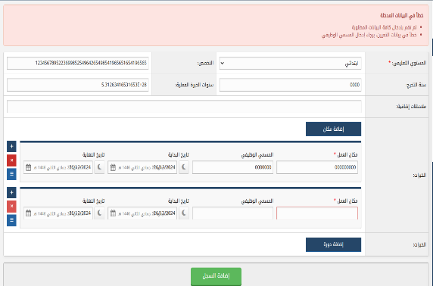 | Fail
TC_66 | Qualifications | Verify "Experiences with adding a place" options button is works | User is logged in with valid credentials and settings are customized. | 1- Navigate to the "Qualifications" page. 2- Click on the "Experiences with adding a place" text bar 3- Click on options button from adding a place 4- Click on "Add record" button | 1- Navigate to the "Qualifications" page. 2- Click on the "Experiences with adding a place" text bar 3- Click on options button from adding a place 4- Click on "Add record" button | Adding a place bar options is shown successfully | When clicked on options button expected to show option list but actual the button not worked |  | Fail
TC_67 | Qualifications | Verify "Experiences with adding a place" calendar bar | User is logged in with valid credentials and settings are customized. | 1- Navigate to the "Qualifications" page. 2- Click on the "Experiences with adding a place" text bar 3- Click on calendar from adding a place 4- Select start date and end date 5- Click on "Add record" button | 1- Navigate to the "Qualifications" page. 2- Click on the "Experiences with adding a place" text bar 3- Click on calendar from adding a place 4- Select date: A- Start date "26/12/2024" B- End date "26/12/2024" 5- Click on "Add record" button | Error message: The start date is the end date. | No any error message from the wrong dates |  | Fail
TC_68 | Qualifications | Verify "Experiences with adding a place" calendar bar | User is logged in with valid credentials and settings are customized. | 1- Navigate to the "Qualifications" page. 2- Click on the "Experiences with adding a place" text bar 3- Click on calendar from adding a place 4- Select start date and end date 5- Click on "Add record" button | 1- Navigate to the "Qualifications" page. 2- Click on the "Experiences with adding a place" text bar 3- Click on calendar from adding a place 4- Select date A- Start date "26/12/2024" B- End date "26/12/2024" 5- Click on "Add record" button | Seeing dates on calendar bar clearly | The text printed on the calendar writing bar is not seeing dates clearly | 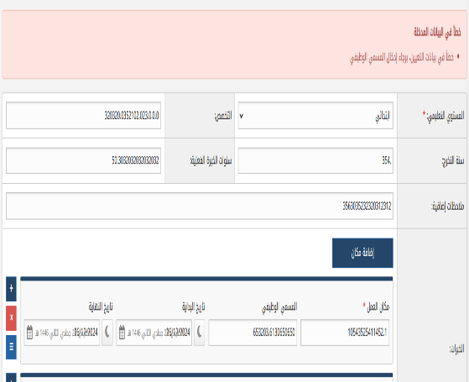 | Fail
TC_69 | Appointment data | Verify the Job grade text bar is not supported numbers | User is logged in with valid credentials and settings are customized. | 1- Navigate to the "Appointment data" page. 2- Click on the "Job grade" text bar 3- Write numbers 4- Click on "Add record" button | 1- Navigate to the "Appointment data" page. 2- Click on the "Job grade" text bar 3- Write "123456" 4- Click on "Add record" button | The text bar not supported write numbers | The text printed on the job grade bar "Please enter a number from 1 to 20 " | 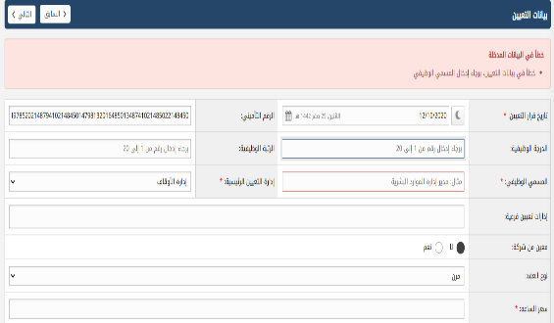 | Fail
TC_70 | Appointment data | Verify the Social Assurance number is correctly | User is logged in with valid credentials and settings are customized. | 1- Navigate to the "Appointment data" page. 2- Click on the "Social Assurance number" text bar 3- Write over numbers 4- Click on "Add record" button | 1- Navigate to the "Appointment data" page. 2- Click on the "Social Assurance number" text bar 3- Write "0.1497852021487941021484501479813201648501348741021485022148450" 4- Click on "Add record" button | Error message : The number of digits is incorrect from Social Assurance number | Error in appointment data, the job rank must be a number from 1 to 20 |  | Fail
TC_71 | Appointment data | Verify the job title text bar not supported numbers | User is logged in with valid credentials and settings are customized. | 1- Navigate to the "Appointment data" page. 2- Click on the "job title" text bar 3- Write numbers 4- Click on "Add record" button | 1- Navigate to the "Appointment data" page. 2- Click on the "job title" text bar 3- Write "123456789" 4- Click on "Add record" button | Error message : The job title text bar not supported numbers | The text printed on the job title bar "Please enter a number from 1 to 20 " with Error in appointment data, the job rank must be a number from 1 to 20 | 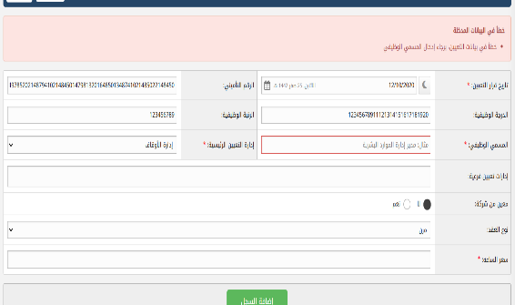 | Fail
TC_72 | Basic Tax Deduction | Verify correct tax deduction on a standard salary. | Tax rate is set to 15%. | 1- Enter a valid salary 2- Trigger the tax calculation/deduction. | Salary: 10,000 | Tax amount: 1,500 (10,000 * 0.15) - Net Salary (after tax): 8,500 (10,000 - 1,500) | when putted 15% tax for total amount 10000 expected to after total 8500 the actual total "9,302.33" | 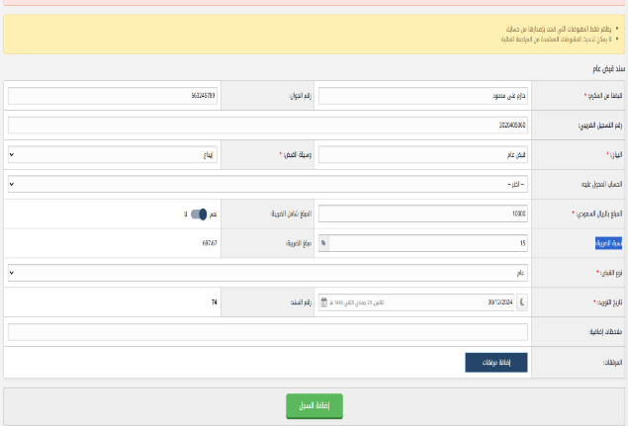 | Fail
TC_73 | Weekly Holiday Calculation (Absence at End/Start of Week) | Verify weekly holiday calculation when an employee is absent at the end and beginning of the week. | System configured to include absence in weekly holiday calculation | 1- Navigate to Attendance/Leave settings 2- Ensure "Calculate weekly holiday from absence" is enabled 3- Simulate employee absence at the end and start of the week | Absence Dates: Friday & Sunday | Absence Dates: Friday & Sunday (assuming Saturday is the weekly holiday) | Absence Dates: Friday & Sunday (assuming Saturday is the weekly holiday) |  | Pass
TC_74 | Weekly Holiday Calculation (Leave at End/Start of Week) | Verify weekly holiday calculation when an employee takes leave at the end and beginning of the week. | System configured to include leave in weekly holiday calculation | 1- Navigate to Attendance/Leave settings 2- Ensure "Calculate weekly holiday from leave" is enabled 3- Simulate employee leave at the end and start of the week | Absence Dates: Friday & Sunday | Leave Dates: Friday & Sunday (assuming Saturday is the weekly holiday) | Leave Dates: Friday & Sunday (assuming Saturday is the weekly holiday) |  | Pass
TC_75 | Access Control (Specific IP) | Verify access is granted from an allowed IP address. | System configured to restrict access to specific IP addresses | 1- Navigate to Access Control settings 2- Ensure specific IP addresses are configured 3- Attempt to access the system from an allowed IP. |  | Allowed IP: 175.x.x.x | When view the sheet expected to show IP 175.0.0.0 but actual empty fields | 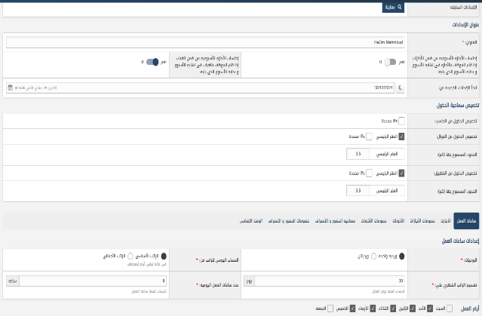 | Fail
TC_76 | Access Control (Blocked IP) | Verify access is denied from a blocked IP address. | System configured to restrict access to specific IP addresses | 1- Navigate to Access Control settings 2- Ensure specific IP addresses are configured 3- Attempt to access the system from a blocked IP. |  | Blocked IP: Any IP not in the allowed list | No IP in allowed list expected to show blocked IP | 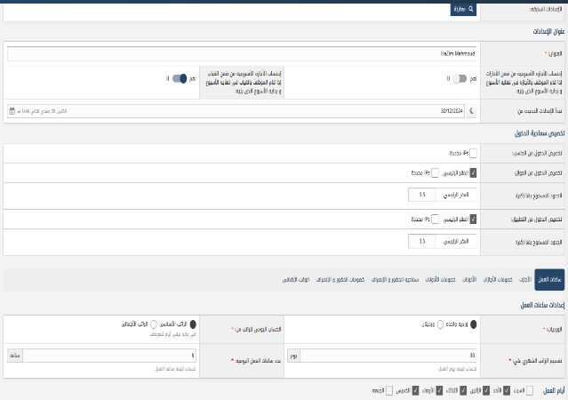 | Fail
TC_77 | Access from Different Devices (Mobile, Desktop, App) | Verify access from mobile, desktop, and dedicated app. | System supports access from different devices | 1- Attempt to access the system from a mobile browser 2- Attempt to access the system from a mobile browser 3- Attempt to access the system from the dedicated app | Device : IPhone | Access from mobile successfully | Access from mobile successfully |  | Pass
TC_78 | Time and Attendance Settings (Daily Salary Calculation) | Verify correct daily salary calculation based on the selected method. | System calculates daily salary based on a specific method | 1- Navigate to Time and Attendance settings 2- Select a daily salary calculation method ( based on basic salary) 3- Input employee salary details. | 10000 | Basic Salary: 10000 | Basic Salary: 10001 |  | Pass
TC_79 | Work Shifts (One Shift) | Verify system functionality with a single work shift configured. | System supports configuration of one work shift | 1- Navigate to Work Shift settings 2- Configure a single work shift 3- Assign employees to the shift. | Shift Time: 9:00 AM - 5:00 PM | Shift Time: 9:00 AM - 5:00 PM | Shift Time: 9:00 AM - 5:00 PM |  | Pass
TC_80 | Work Shifts (Two Shifts) | Verify system functionality with two work shifts configured. | System supports configuration of two work shifts | 1- Navigate to Work Shift settings 2- Configure two different work shifts 3- Assign employees to the appropriate shifts. | Shift 1: 7:00 AM - 3:00 PM - Shift 2: 5:00 PM - 1:00 AM | Shift 1: 7:00 AM - 3:00 PM - Shift 2: 5:00 PM - 1:00 AM | Shift 1: 7:00 AM - 3:00 PM - Shift 2: 5:00 PM - 1:00 AM |  | Pass
TC_81 | Attendance Recording (Clock Out) | Verify successful clock-out | Employee is leaving work | 1- Employee uses the clock-out mechanism. | Time: Current time | Attendance record updated with clock-out time. Total work hours calculated. | Attendance record updated with clock-out time. Total work hours calculated. |  | Pass
TC_82 | Leave Request (Submit) | Verify employee can submit a leave request | Employee is logged in | 1- Log in as an employee 2- Navigate to leave request section 3- Select leave type, start date, and end date 4- Submit the request. | Leave Type: Vacation - Start Date: 2024-03-15 - End Date: 2024-03-20 | Leave request is submitted successfully. Notification sent to manager (optional). | Leave request is submitted successfully. Notification sent to manager (optional). |  | Pass
TC_83 | Leave Request (Approval/Rejection) | Verify manager can approve or reject a leave request | Manager is logged in | 1- Log in as a manager 2- Navigate to leave requests. 3- Select a pending leave request 4- Approve or reject the request. | Action: Approve/Reject | Leave request status is updated. Notification sent to employee. | The website not supported this feature |  | Fail
TC_84 | Reporting (Attendance Report) | Verify generation of an attendance report | Data exists in the system | 1- Navigate to reporting section 2- Select "Attendance Report" 3- Specify date range 4- Generate the report. | Date Range: Last Month | Report is generated and displays attendance data for the specified period. | Report is generated and displays attendance data for the specified period. |  | Pass
TC_85 | Data Export (Excel) | Verify data can be exported to Excel | Data exists in the system | 1- Navigate to a data table ( employee list, attendance records) 2- Click "Export to Excel". | N/A | Data is exported to an Excel file. | Data is exported to an Excel file. |  | Pass
TC_86 | Data Import (Employee Data) | Verify employee data import functionality | Valid employee data file exists (Pdf, Excel) | 1- Navigate to employee management 2- Click "Import Employees". 3- Select the data file 4- Start the import process. | Employee data in Pdf format | Employee data is imported successfully into the system. Error messages are displayed for invalid data. | No error message |  | Fail
TC_87 | Search Functionality (Employee Search) | Verify search functionality in the employee list | Multiple employees exist in the system | 1- Navigate to employee list. 2- Enter search criteria ( employee name, ID) 3- Perform the search. | Search Criteria: "Hazim Aly" | Employees matching the search criteria are displayed. |  |  | Pass
TC_88 | Attendance - Clock In Before Scheduled Start | Verify system handles early clock-ins | Employee clocks in before their scheduled shift start time | 1- Employee scheduled for 9:00 AM shift 2- Employee clocks in at 8:45 AM. | Scheduled Start: 9:00 AM - Clock-in: 8:45 AM | System records the clock-in time. Option to generate a warning or notification (configurable). | No error message or warning |  | Fail
TC_89 | Attendance - Clock Out After Scheduled End | Verify system handles late clock-outs | Employee clocks out after their scheduled shift end time | 1- Employee scheduled for 5:00 PM shift 2- Employee clocks out at 5:15 PM. | Scheduled End: 5:00 PM - Clock-out: 5:15 PM | System records the clock-out time. Option to calculate overtime (configurable). | No error message or warning |  | Fail
TC_90 | Attendance - Missing Clock Out | Verify system handles missing clock-outs | Employee clocks in but forgets to clock out | 1- Employee clocks in 2- Does not clock out at the end of the day. | Clock-in: 9:00 AM | System should ideally have a process to handle this (automatic clock-out after a certain time, notification to manager). | No error message or warning |  | Fail
TC_91 | Leave Request - Overlapping Leave | Verify system prevents overlapping leave requests | Employee submits a leave request that overlaps with an existing approved leave | 1- Employee has approved leave from 2024-04-01 to 2024-04-05 2- Employee submits a new leave request from 2024-04-03 to 2024-04-07 | Existing Leave: 2024-04-01 to 2024-04-05 - New Leave: 2024-04-03 to 2024-04-07 | Error message displayed indicating the overlapping dates. | No error message |  | Fail
TC_92 | Leave Request - Requesting Leave in the Past | Verify system prevents requesting past leave | Employee attempts to request leave for dates in the past | 1- Employee attempts to request leave for dates in the previous week | Leave Dates: Previous week | Error message displayed preventing the request. | No error message |  | Fail
TC_93 | Leave Request - Exceeding Leave Balance | Verify system handles insufficient leave balance | Employee requests leave that exceeds their available leave balance | 1- Employee has 5 days of vacation leave available 2- Employee requests 7 days of vacation leave | Available Leave: 5 days - Requested Leave: 7 days | Error message displayed indicating insufficient leave balance. | No error message |  | Fail
TC_94 | UI - Date Picker Validation | Verify date picker functionality and validation | Using date pickers in various forms (leave requests, reports) | 1- Open a form with a date picker 2- Attempt to enter invalid dates (non-existent dates, dates in the wrong format). | Invalid Date: 2024-02-30 (February has only 28/29 days) | Error message displayed. Date picker restricts input to valid dates. | No error message |  | Fail
TC_95 | UI - Input Field Length Validation | Verify input fields enforce length restrictions | Input fields with length restrictions ( employee ID, phone number) | 1- Attempt to enter data exceeding the maximum length in a specific input field. | Example: Employee ID field with a maximum length of 10 characters. Input: 123456789012 | Input is truncated or an error message is displayed. | No error message |  | Fail
TC_96 | Reporting - Generating Reports with No Data | Verify system handles empty reports gracefully | Attempt to generate a report when no relevant data exists | 1-Attempt to generate an attendance report for a period where no attendance records exist. | No attendance data for the selected period | Report is generated with a message indicating "No data found" or an empty report is displayed. | No error message |  | Fail
TC_97 | Data Import - Invalid Data Format | Verify data import handles invalid data | Attempt to import data with an invalid format (incorrect date format, missing required fields) | 1- Attempt to import employee data with an invalid date format in the CSV file. | Invalid date format in CSV file | Error message displayed indicating the specific data format error. Import process stops or skips the invalid records (configurable). | Error message displayed indicating the specific data format error. Import process stops or skips the invalid records (configurable). |  | Pass
TC_98 | System Performance - Concurrent Users | Verify system performance under load | Simulate multiple users accessing the system simultaneously | 1- Simulate a high number of concurrent users accessing different parts of the system (login, reports, leave requests). | Number of Users: 50, 100 | System remains responsive. Response times are within acceptable limits. | System remains responsive. Response times are within acceptable limits. |  | Pass
TC_99 | 0 | Verify system's resistance to SQL injection attacks | Attempt to inject SQL code into input fields | 1. Enter SQL code into input fields (username, search fields). | Input: ' OR '1'='1 | System does not execute the SQL code. No data breaches occur. Error message or logging of the attempted attack (recommended). | System does not execute the SQL code. No data breaches occur. Error message or logging of the attempted attack (recommended). |  | Pass
TC_100 | Reporting - Leave Report by Department | Verify leave report can be filtered by department | Data exists for multiple departments | 1- Navigate to reporting section 2- Select "Leave Report" 3- Select a specific department 4- Generate the report. | Department: Programming and developments | Report shows leave data only for employees in the Programming and developments department. | The report shown with department |  | Fail
TC_101 | Reporting - Attendance Summary by Date Range | Verify attendance summary report for a custom date range | Attendance data exists for a specific period | 1- Navigate to reporting 2- Select "Attendance Summary" 3- Select a start and end date. 4. Generate report. | Start Date: 2024-05-01 - End Date: 2024-05-31 | Report provides a summary of attendance (total hours worked, absences) for the specified period. | Report provides a summary of attendance (total hours worked, absences) for the specified period. |  | Pass
TC_102 | Reporting - Exporting Large Datasets | Verify system handles exporting large datasets without errors or performance issues | Large amount of data exists (many employees, long date range) | 1- Generate a report with a large amount of data 2- Export the report to Excel or PDF. | Large Dataset: 1000+ employees, 1-year date range | Export completes successfully within a reasonable time. The exported file is not corrupted. | The exported file corrupted |  | Fail
TC_103 | Notifications - Leave Request Notification to Manager | Verify manager receives a notification about the new leave request | Employee submits a leave request | 1- Employee submits a leave request. | N/A | Manager receives a notification (email, in-system notification) about the pending leave request. | The manager not received any notification in email or system |  | Fail
TC_104 | Notifications - Leave Request Approval/Rejection Notification to Employee | Verify employee receives notification of the manager's decision | Manager approves or rejects a leave request | 1- Manager approves/rejects a pending leave request. | N/A | Employee receives a notification (email, in-system notification) about the approval/rejection. | Employee receives a notification (email, in-system notification) about the approval/rejection. |  | Pass
TC_105 | Notifications - Low Leave Balance Alert | Verify system sends an alert when leave balance is low | Employee's leave balance falls below a predefined threshold | 1- Simulate an employee's leave balance dropping below the threshold (2 days). | Threshold: 3 days | Employee receives a notification about their low leave balance. | The employee not received any notifications |  | Fail
TC_106 | Integration (If Applicable) - Payroll System Integration | Verify data transfer to the payroll system | System integrates with a payroll system | 1- Process payroll in the Rafed system 2- Verify data is transferred correctly to the payroll system. | N/A | Payroll data (salaries, deductions) is accurately transferred to the payroll system. | Payroll data (salaries, deductions) is accurately transferred to the payroll system. |  | Pass
TC_107 | Integration (If Applicable) - HR System Integration | Verify data synchronization between systems | System integrates with another HR system | 1- Update employee information in the Rafed system 2- Verify the changes are reflected in the integrated HR system. | Example: Change employee's address. | Employee information is synchronized correctly between the systems | Employee information is not synchronized correctly between the systems |  | Fail
TC_108 | User Interface - Responsive Design | Verify the user interface is responsive and displays correctly on different devices | Access the system from different screen sizes (desktop, tablet, mobile) | 1- Access the system using different devices and screen resolutions. | Different screen sizes and resolutions | The UI adapts to the screen size and is usable on all tested devices. | The UI adapts to the screen size and is usable on all tested devices. |  | Pass
TC_109 | User Interface - Accessibility Testing (WCAG) | Verify basic accessibility guidelines are followed (keyboard navigation, alt text for images) | Check for basic accessibility compliance | 1- Navigate the system using only the keyboard 2- Check for alt text on images. | N/A | The system is navigable using the keyboard. Images have descriptive alt text. | The system not navigable using the keyboard |  | Fail
TC_110 | Data Archiving | Verify old data is archived correctly | System has data archiving functionality | 1- Configure data archiving settings 2- Wait for the archiving process to run 3- Verify archived data is no longer accessible in the main system but is stored in the archive. | Archiving period: 1 year | Old data is moved to the archive and is no longer visible in regular reports or searches. | The old data not moved to the archive |  | Fail
TC_111 | System Backup and Restore | Verify system can be restored from a backup | System has backup and restore functionality | 1- Create a system backup 2- Simulate a system failure 3- Restore the system from the backup. | N/A | System is restored to the point of the backup. No data loss occurs. | System is not restored to the point of the backup. all data loss occurs. |  | Fail
TC_112 | Concurrent Leave Requests & Approvals | Verify system handles concurrent operations without data corruption or errors | Multiple users request leave and multiple managers approve/reject simultaneously | 1- Simulate multiple employees submitting leave requests at the same time 2- Simulate multiple managers approving/rejecting those requests concurrently. | Multiple concurrent actions | All leave requests are processed correctly. No data conflicts or errors occur. System maintains data integrity. | All leave requests are processed correctly. No data conflicts or errors occur. System maintains data integrity. |  | Pass
TC_113 | Leave Request with Public Holidays | Verify system correctly accounts for public holidays in leave calculations | Leave request spans across public holidays | 1- Employee requests leave that includes one or more public holidays. | Leave Dates: Including public holiday dates | The system correctly excludes public holidays from the leave duration calculation. | The system correctly excludes public holidays from the leave duration calculation. |  | Pass
TC_114 | Attendance Correction Request Workflow | Verify the workflow for attendance correction requests | Employee requests a correction to their attendance record | 1- Employee submits an attendance correction request (missed clock-in/out) 2- Manager reviews and approves/rejects the request. | Correction Request: Change clock-in time | The correction request is processed correctly. Attendance record is updated upon approval. Notifications are sent accordingly. | The correction request is processed correctly. Attendance record is updated upon approval. Notifications are sent accordingly. |  | Pass
TC_115 | Reporting - Custom Report Generation | Verify custom report generation functionality | System allows users to create custom reports | 1- User creates a custom report with specific filters and data fields 2- Generate the custom report. | Custom Report Definition: Specific filters and fields | The custom report is generated according to the user's specifications. | The custom report is not generated according to the user's specifications. |  | Fail
TC_116 | Security - Session Hijacking Prevention | Verify system's session management security | Simulate a session hijacking attempt | 1- Attempt to steal a user's session ID 2- Use the stolen session ID to access the system. | Stolen Session ID | The system invalidates the stolen session ID and prevents unauthorized access. | The system invalidates the stolen session ID and prevents unauthorized access. |  | Pass
TC_117 | System Auditing - Tracking User Actions | Verify system auditing functionality | System logs user actions (login/logout, data changes) | 1- Perform various actions in the system (create a user, approve a leave request) 2- Review the audit logs. | N/A | The audit logs record all user actions with timestamps, user IDs, and details of the changes. | The audit logs record all user actions with timestamps, user IDs, and details of the changes. |  | Pass
TC_118 | Data Validation - Special Characters in Input Fields | Verify system handles special characters correctly | Test input fields with various special characters | 1- Enter various special characters (`!@#$%^&*()_+=-[]{} | ;':",./<>?`) into input fields. | Input with special characters | No error message from system |  | Fail
TC_119 | Database Integrity - Data Consistency Checks | Verify system maintains data consistency after direct database changes | Perform data manipulation directly in the database (if access is available for testing purposes) | 1- Directly modify data in the database (change an employee's leave balance) 2- Access the system through the UI and verify data consistency. | Direct database changes | The system detects and handles any inconsistencies caused by direct database modifications. | The system not detected and handles any inconsistence |  | Fail
TC_120 | Time Zone Handling | Verify correct time zone handling for attendance and reporting | System used in different time zones | 1- Simulate users in different time zones accessing the system 2- Verify timestamps in attendance records and reports. | Users in different time zones | The system correctly displays and stores timestamps according to the user's time zone. | The system not correctly displays and stores timestamps according to the user's time zone. |  | Fail
TC_121 | Create New Announcement (Basic) | Verify creating a new announcement with basic text content | User has permissions to create announcements | 1- Click "Create Announcement" (or similar button) 2- Enter a title and some text in the content area 3- Save the announcement. | Title: "System Maintenance" - Content: "Scheduled maintenance will occur..." | Announcement is created and displayed in the announcement list. | Announcement is created and not displayed all data in the announcement list. |  | Fail
TC_122 | Create Announcement (Rich Text Formatting) | Verify rich text formatting options work correctly | User has permissions to create announcements | 1- Create a new announcement 2- Use various formatting options (bold, italics, lists, links) in the content area 3- Save the announcement. | Content with various formatting | Announcement is displayed with the correct formatting applied. | Announcement is displayed with the correct formatting applied. |  | Pass
TC_123 | Create Announcement (With Image) | Verify uploading and displaying an image in an announcement | User has permissions to create announcements | 1- Create a new announcement 2- Upload an image using the image upload functionality 3- Save the announcement. | Image file: | Image is displayed correctly within the announcement content. | No image displayed in the announcement content |  | Fail
TC_124 | Create Announcement (Long Content) | Verify handling of announcements with very long content | User has permissions to create announcements | 1- Create a new announcement with a large amount of text (exceeding typical length) 2- Save the announcement. | Content: Several paragraphs of text | Announcement is saved and displayed correctly. No truncation or errors occur. Scrolling functionality works as expected. | The announcement truncation or errors occur. Scrolling functionality works as not expected. |  | Fail
TC_125 | Edit Existing Announcement | Verify editing an existing announcement | An announcement exists | 1- Select an existing announcement from the list. 2- Modify the title and/or content 3- Save the changes. | Modified Title/Content | Changes are saved and reflected in the announcement list. | Not changes are saved and reflected in the announcement list. |  | Fail
TC_126 | Delete Existing Announcement | Verify deleting an existing announcement | An announcement exists | 1- Select an existing announcement from the list. 2- Click the "Delete" button (or similar) 3- Confirm the deletion. | N/A | Announcement is removed from the list. | Announcement is removed from the list. |  | Pass
TC_127 | Search Announcements (By Title) | Verify searching for announcements by title | Multiple announcements exist | 1- Enter a search term in the search box 2- Perform the search. | Search Term: Part of an announcement title | Announcements with matching titles are displayed. | Announcements with matching titles are not displayed. |  | Fail
TC_128 | Search Announcements (No Results) | Verify handling of searches with no results | No announcements match the search term | 1- Enter a search term that does not match any existing announcements 2- Perform the search. | Search Term: A non-existent title | A message indicating "No results found" is displayed. | No message including "No results found" |  | Fail
TC_129 | Announcement Display Order | Verify announcements are displayed in the correct order (newest first) | Multiple announcements exist with different creation dates | 1- Create several announcements with different dates/times. | Different creation timestamps | Announcements are displayed in the correct order (newest first). | Announcements are not displayed in the correct order (newest first). |  | Fail
TC_130 | Image Upload (Invalid File Type) | Verify handling of invalid image file types | User attempts to upload an invalid file type | 1- Create a new announcement 2- Attempt to upload a file with an invalid extension ( .exe, .txt). | File: Invalid file type | Error message displayed indicating the invalid file type. | No error message of invalid image updated |  | Fail
TC_131 | Image Upload (Large File Size) | Verify handling of large image files | User attempts to upload an image that exceeds the allowed file size | 1- Create a new announcement 2- Attempt to upload a large image file. | File: Exceeds maximum file size | Error message displayed indicating the file size limit. | No error message displayed including image size |  | Fail
TC_132 | UI - Pagination (If Applicable) | Verify pagination functionality works correctly | Many announcements exist, requiring pagination | 1- Navigate through the pages of announcements. | Many announcements | Pagination controls work correctly. The correct number of | The pagination function controls not working correctly |  | Fail
TC_133 | Security - HTML Injection in Announcement Content | Verify system prevents HTML injection vulnerabilities | Attempt to inject HTML code into the announcement content | 1- Enter HTML code ( <h1>Test</h1>, <script>...</script>) into the announcement content. | HTML code in content | The HTML code is either displayed as plain text or is properly sanitized to prevent execution. | No error message including invalid text |  | Fail
TC_134 | User Role - View Announcements (No Permission) | Verify users without permission cannot access the announcement list | User does not have permission to view announcements | 1- Log in as a user without announcement viewing permissions 2- Attempt to navigate to the announcement section. | User role without access | Access is denied. Appropriate error message or redirection occurs. | All users has a permission to view announcement |  | Fail
TC_135 | Edit Announcement (Empty Fields) | Verify handling of editing an announcement and leaving fields empty | User does not have permission to view announcements | 1- Select an existing announcement 2- Clear the title and/or content fields 3- Save the changes. | Empty title and/or content | Error messages are displayed indicating required fields. | Error messages are displayed indicating required fields. |  | Pass
TC_136 | User Role - Create Announcements (No Permission) | Verify users without permission cannot create announcements | User does not have permission to create announcements | 1- Log in as a user without announcement creation permissions 2- Attempt to access the announcement creation form. | User role without create permission | The "Create Announcement" button or link is not visible, or access is denied if attempted directly. | The "Create Announcement" button or link is not visible or access is denied if attempted directly but some buttons not working |  | Fail
TC_137 | User Role - Edit/Delete Other User's Announcements | Verify users cannot edit or delete announcements created by other users | User only has permissions to edit/delete their own announcements | 1- Log in as user A and create an announcement 2- Log in as user B 3- Attempt to edit or delete user A's announcement. | Announcements created by different users | The edit and delete options are not available for announcements created by other users. | The edit and delete options are available for other users |  | Fail
TC_138 | UI - Character Limit Validation (Title) | Verify title field enforces the character limit | Title field has a character limit | 1- Enter a title exceeding the maximum allowed characters 2- Attempt to save the announcement. | Title exceeding character limit | The input is truncated, or an error message is displayed indicating the character limit. | No error message included "characters limits" |  | Fail
TC_139 | UI - Character Limit Validation (Content) | Verify content area enforces the character limit | Content area has a character limit (if applicable) | 1- Enter content exceeding the maximum allowed characters (if any) 2- Attempt to save the announcement. | Content exceeding character limit | The input is truncated, or an error message is displayed indicating the character limit. | No error message included "characters limits" |  | Fail
TC_140 | Announcement Preview (Before Saving) | Verify the preview functionality (if available) displays the content correctly | User is creating/editing an announcement | 1- Create/edit an announcement 2- Use the preview function (if available). | Content with formatting, images | The preview displays the content with the correct formatting and images, matching how it will appear after saving. | The preview displays the content with the correct formatting and images, matching how it will appear after saving. |  | Pass
TC_141 | Date/Time Display Format | Verify the date/time is displayed in the correct format | Announcements display a date/time stamp | 1- Create several announcements 2- Check the displayed date/time stamps. | Different date/time values | The date/time is displayed in the expected format (DD/MM/YYYY HH:MM). | The date/time is displayed in the expected format (DD/MM/YYYY HH:MM). |  | Pass
TC_142 | Browser Compatibility | Verify the feature works correctly across different browsers (Chrome, Firefox, Edge) | Access the announcement feature using different web browsers | 1- Access the announcement feature using different browsers 2- Perform various actions (create, edit, delete, search). | Different web browsers | The feature functions correctly and displays consistently across all supported browsers. | The feature functions correctly and displays consistently across all supported browsers. |  | Pass
TC_143 | Mobile Responsiveness - Announcement Display | Verify announcements display correctly on various mobile screen sizes | Access the announcement list on different mobile devices | 1- Access the announcement list on different mobile phones and tablets. | Different mobile screen sizes | Announcements are displayed correctly and are readable on different mobile devices. The layout adapts to the screen size. | Announcements are displayed correctly and are readable on different mobile devices. The layout adapts to the screen size. |  | Pass
TC_144 | Announcement Scheduling (Future Date) | Verify scheduling an announcement for a future date | User has permissions to create announcements | 1- Create a new announcement 2- Set a future date and time for publishing 3- Save the announcement. | Publish Date: A future date and time | Announcement is not displayed immediately but is published automatically at the scheduled time. | Announcement is not displayed at all time |  | Fail
TC_145 | Announcement Scheduling (Past Date) | Verify handling of scheduling an announcement for a past date | User has permissions to create announcements | 1- Create a new announcement 2- Set a past date and time for publishing 3- Save the announcement. | Publish Date: A past date and time | The system should either: a) Publish the announcement immediately, or b) Display an error message indicating the date is in the past. | No error message shown |  | Fail
TC_146 | Announcement Expiration (Setting an Expiry Date) | Verify setting an expiry date for an announcement | User has permissions to create announcements | 1- Create a new announcement 2- Set an expiry date and time 3- Save the announcement. | Expiry Date: A future date and time | Announcement is displayed until the expiry date and time, after which it is automatically removed from the active announcement list. | Announcement is not displayed at all time |  | Fail
TC_147 | Announcement Expiration (Checking After Expiry) | Verify the announcement is no longer displayed after expiry | An announcement with an expiry date has passed its expiry date | 1- Wait for an announcement to reach its expiry date 2- Check the announcement list. | Expiry Date: A past date and time | The expired announcement is no longer visible in the active announcement list. It may be archived or moved to a history section. | The expired announcement is visible in the active announcement list |  | Fail
TC_148 | Create Receipt (All Required Fields) | Verify creating a receipt with all mandatory information | User has permission to create receipts | 1- Fill all fields marked with an asterisk (*) 2- Click "Add Record" | 1- Receipt Number: 12345 2-Received From: Hazim Aly 3- Amount: 1000 - Payment 4- Method: Cash - Collection 5- Date: 2024-12-28 | Receipt is created and added to the list below. | The receipt is created and added to the list with missing data |  | Fail
TC_149 | Receipt Number (Duplicate) | Verify handling of duplicate receipt numbers | A receipt with the same number already exists | 1- Enter a receipt number that already exists 2- Attempt to save the receipt | Receipt Number: Existing Number | Error message displayed: "Receipt number already exists" Receipt creation is prevented. | Error message displayed: "Receipt number already exists" Receipt creation is prevented. |  | Pass
TC_150 | Amount (Non-Numeric Input) | Verify handling of non-numeric input in the amount field | Attempt to enter non-numeric characters in the amount field | 1- Enter letters or special characters in the Amount field. | Amount: "abc" or "100" | Error message displayed: "Please enter a valid number" or similar. | No error message displayed |  | Fail
TC_151 | Amount (Zero Value) | Verify handling of zero values in the amount field | Attempt to create a receipt with a zero amount | 1- Enter "0" in the Amount field 2- Attempt to save the receipt. | Amount: 0 | System should either allow zero amounts (if valid in your context) or display an appropriate message (Amount cannot be zero). | System allow zero numbers and special characters |  | Fail
TC_152 | Date (Invalid Format) | Verify date validation | Attempt to enter a date in an invalid format | 1- Enter a date in an incorrect format in the Collection Date field. | Collection Date: "28/12/24" or "12-28-2024" (if the expected format is different) | Error message displayed: "Invalid date format." or similar. The date picker should restrict input to the correct format. | No error message related date picker because the system not supported write the date |  | Fail
TC_153 | Date (Future Date) | Verify handling of future dates | Attempt to enter a future date as the collection date | 1- Enter a date in the future in the Collection Date field. | Collection Date: A future date | System should either allow future dates (if acceptable in your business logic) or display a warning/error message. | No error or warning message |  | Fail
TC_154 | Long Text Input (Received From) | Verify handling of long text inputs | Enter a very long text string in the "Received From" field | 1- Enter a text string exceeding a reasonable length in the Received From field. | Received From: A very long string of text | The input is either truncated, or the field expands to accommodate the text (with scrolling if necessary), or an error message is displayed about exceeding the character limit. | No error message related of characters limits |  | Fail
TC_155 | Payment Method (Dropdown Functionality) | Verify the functionality of the Payment Method dropdown |  | 1- Click on the Payment Method dropdown 2- Select different options. | Multiple payment methods | The dropdown displays all available payment methods correctly. Selecting an option updates the field value. | The system not supported any dropdown related of payment |  | Fail
TC_156 | Add Record then Cancel | Verify the data is not saved | Add all required data and click the Add Record button then cancel | 1- Add all required data 2- Click on the Add Record button 3- Click Cancel | Valid Data | The data is not saved and the form is cleared or returns to its previous state. | The data is not saved and the form is cleared |  | Fail
TC_157 | Add Record then Refresh Page | Verify the data is saved | Add all required data and click the Add Record button then refresh the page | 1- Add all required data 2- Click on the Add Record button 3- Refresh the page | Valid Data | The data is saved and the form display the saved data. | The data is not saved and the form is cleared |  | Fail
TC_158 | Receipt Number (Leading/Trailing Spaces) | Verify handling of spaces in receipt numbers | Attempt to create a receipt with leading or trailing spaces in the receipt number | 1- Enter a receipt number with leading or trailing spaces 2- Attempt to save the receipt. | Receipt Number: " 12345 " | System should either trim the spaces automatically or display an error message. | The system not supported this function |  | Fail
TC_159 | Amount (Decimal Values) | Verify handling of decimal amounts | Attempt to enter decimal values in the amount field | 1- Enter a decimal value in the Amount field. | Amount: 100.50 or 100.00 | System should correctly store and display the decimal value. Verify correct rounding if necessary. | no error message when display the decimal value |  | Fail
TC_160 | Amount (Negative Values) | Verify handling of negative amounts | Attempt to enter negative values in the amount field | 1. Enter a negative value in the Amount field. | Amount: -100 | System should either prevent negative amounts (if not allowed) and display an error message, or handle them appropriately if they are valid in your context ( refunds). | The system not supported any payment amount by negative and the system displayed that without any error message |  | Fail
TC_161 | Date (Leap Year) | Verify handling of leap year dates | Test date validation with a leap year date | 1- Enter February 29th of a leap year in the Collection Date field. | Collection Date: 2024-02-29 | The date should be accepted as valid. | The date should be accepted as valid. |  | Pass
TC_162 | Long Text Input (Notes/Description Field - If Present) | Verify handling of long text in notes/description | Enter a very long text string in the notes or description field (if there is one) | 1- Enter a text string exceeding a reasonable length in the notes/description field. | Notes/Description: A very long string of text | The input is either truncated, or the field expands to accommodate the text (with scrolling if necessary), or an error message is displayed about exceeding the character limit. | No error message related of characters limits |  | Fail
TC_163 | User Permissions - View Receipts | Verify users without permission cannot access the receipt list | User does not have permission to view receipts | 1- Log in as a user without receipt viewing permissions. 2- Attempt to navigate to the receipt section. | User role without access | Access is denied. Appropriate error message or redirection occurs. | No error message appropriated |  | Fail
TC_164 | User Permissions - Edit Receipts | Verify users without permission cannot edit receipts | User does not have permission to edit receipts | 1- Log in as a user without receipt editing permissions 2- Attempt to edit an existing receipt. | User role without edit permission | The edit options (edit button) are not visible, or access is denied if attempted directly. | The edit options (edit button) are not visible, or access is denied if attempted directly. |  | Pass
TC_165 | User Permissions - Delete Receipts | Verify users without permission cannot delete receipts | User does not have permission to delete receipts | 1- Log in as a user without receipt deletion permissions 2- Attempt to delete an existing receipt. | User role without delete permission | The delete options (delete button) are not visible, or access is denied if attempted directly. | The delete button visible but not access |  | Fail
TC_166 | Data Integrity - Edit Receipt Number | Verify handling of changing receipt numbers (potential primary key issue) | Edit an existing receipt and change the receipt number | 1- Edit an existing receipt 2- Change the receipt number 3- Save the changes. | New Receipt Number | System should handle this correctly, either by allowing the change (with appropriate database updates) or by preventing the change and displaying an error message (if the receipt number is a primary key). | The system handle some data either by allowing the change |  | Fail
TC_167 | Report Generation - Receipt Report | Verify report generation functionality | Generate a report of receipts | 1- Navigate to the reporting section 2- Select the "Receipt Report" (or similar) 3- Specify any necessary filters (date range) 4- Generate the report. | Date range, other filters | The report is generated successfully and contains the correct receipt data, formatted appropriately. | The report generated successfully with missing data creation |  | Fail
TC_168 | Partial Search (Receipt Number) | Verify searching for receipts using partial receipt numbers | Multiple receipts exist | 1- Enter a partial receipt number in the search field 2- Perform the search. | Partial Receipt Number: "123" (if receipts 12345, 12346 exist) | Receipts with numbers containing "123" are displayed. | No error message for amount limit or numeric characters limits |  | Fail
TC_169 | Filtering by Date Range | Verify filtering receipts by date range | Multiple receipts with different dates exist | 1- Select a start and end date for the filter 2- Apply the filter. | Start Date: 2024-12-20 - End Date: 2024-12-31 | Only receipts within the specified date range are displayed. | No error message shown when putted old date |  | Fail
TC_170 | Sorting by Column (Receipt Number, Date, Amount) | Verify sorting receipts by different columns | Multiple receipts exist | 1- Click on the column headers (Receipt Number, Date, Amount). | N/A | Receipts are sorted in ascending or descending order based on the clicked column. | The receipts not sorted in ascending or descending |  | Fail
TC_171 | Pagination (Multiple Pages of Results) | Verify pagination functionality works correctly | A large number of receipts exists, requiring pagination | 1. Navigate through the pages of receipts. | Many receipts | Pagination controls work correctly. The correct number of receipts is displayed on each page. | The all numbers not counting correctly in final receipt |  | Fail
TC_172 | Export to Excel/CSV | Verify exporting receipt data to Excel or CSV format | Receipts exist | 1- Click the "Export" button (or similar) 2- Select the export format (Excel or CSV). | N/A | The receipt data is exported to a file in the selected format. The file contains all relevant data and is correctly formatted. | The receipt data is exported to a file in the selected forma with missing in data in receipt |  | Fail
TC_173 | Receipt Printing | Verify receipt printing functionality | Receipts exist | 1- Select a receipt 2- Click the "Print" button (or similar). | N/A | A printable version of the receipt is generated. The layout is clear and readable. | The final printable version no included all data |  | Fail
TC_174 | Data Integrity - Edit Related Data (If Applicable) | Verify data integrity when related data is modified | Receipts are linked to other data (customer accounts) | 1- Modify data in a related table (change a customer's name) 2- View the affected receipts. | Changes to related data | The changes are reflected correctly in the receipts. | When make changes in data expected to all data editing but the actual no any changes |  | Fail
TC_175 | Error Handling - Network Interruption During Save | Verify system handles network interruptions gracefully | Simulate a network interruption during receipt creation/editing | 1- Start creating/editing a receipt 2- Simulate a network interruption (disconnect the network cable) 3- Attempt to save the receipt. | Simulated network interruption | An appropriate error message is displayed, indicating the network problem. Data is not corrupted. Ideally, the user can retry the operation once the network is restored. | No error message is displayed, indicating the network problem |  | Fail
TC_176 | Security - Unauthorized Data Access (Direct Database Access - If Possible) | Verify access controls are enforced at the database level | Attempt to access receipt data directly in the database without proper authorization | 1- Attempt to query or modify receipt data directly in the database using unauthorized credentials. | Unauthorized database access attempt | Access is denied. Appropriate error messages or security logs are generated. | Access is denied. Appropriate error messages or security logs are generated. |  | Pass
TC_177 | System Performance - Concurrent Access | Verify system performance under concurrent load | Simulate multiple users accessing and modifying receipt data simultaneously | 1- Simulate multiple users creating, editing, and viewing receipts at the same time. | Multiple concurrent actions | The system remains responsive. No data conflicts or errors occur. | Conflict in all data responsive |  | Fail
TC_178 | Filter by Single Condition (Exact Match) | Verify filtering with a single condition using an exact match | Employee data exists | 1- Select a field (Gender) 2- Select the "equals" operator 3- Enter a value (Male) 4- Click "Run Report". | Field: Gender - Operator: equals - Value: Male | Report shows only male employees. | The system not supported any choices another "married & divorced" |  | Fail
TC_179 | Filter by Single Condition (Partial Match - If Supported) | Verify filtering with a partial match (if the system supports it "contains") | Employee data exists with similar values | 1. Select a field (Employee Name) 2- Select the "contains" operator (if available) 3- Enter a partial name (Hazim) 4- Click "Run Report". | Field: Employee Name - Operator: contains - Value: Hazim | Report shows employees with names containing "Hazim" (Hazim). | Report shows employees with names containing "Hazim" (Hazim). |  | Pass
TC_180 | Filter by Multiple Conditions (AND) | Verify filtering with multiple conditions using the "AND" operator (implied when adding multiple conditions) | Employee data exists with different combinations of values | 1- Add two conditions: Gender equals Male AND Department equals Sales 2- Click "Run Report". | Condition 1: Gender - equals - Male Condition 2: Department - equals - Sales | Report shows only male employees in the Sales department. | No data shown |  | Fail
TC_181 | Filter by Multiple Conditions (OR - If Supported) | Verify filtering with multiple conditions using the "OR" operator (if explicitly available) | Employee data exists with different combinations of values | 1- Add two conditions: Department equals Sales OR Department equals Marketing 2- Click "Run Report". | 1- Condition 1: Department - equals - Sales 2- Condition 2: Department - equals - Marketing | Report shows employees in either the Sales or Marketing departments. | Not correct filtering based on data filtering |  | Fail
TC_182 | Filter with No Matching Data | Verify handling of filters with no matching data | No employees match the filter criteria | 1- Create a filter that no employee satisfies (Gender equals "Aly") 2- Click "Run Report". | Field: Gender - Operator: equals - Value: Aly | Report displays a message indicating "No data found" or an empty report. | No error message from the system |  | Fail
TC_183 | Clearing Filters | Verify clearing applied filters | Filters are applied | 1- Apply some filters 2- Click a "Clear Filters" button (if available) or remove the conditions 3- Click "Run Report". | N/A | Report shows all employees (no filtering). | When removed the filter all data not shown in page in case reload page |  | Fail
TC_184 | Filter by Date Range (If Applicable) | Verify filtering by date range | Employee data includes dates ( hire date) | 1- Select a date field (Hire Date) 2- Select the "between" operator (if available) 3- Enter a start and end date. 4- Click "Run Report". | Field: Hire Date - Operator: between Start Date: 2023-01-01 End Date: 2023-12-31 | Report shows employees hired within the specified date range. | The report not shown any data in search |  | Fail
TC_185 | Combination of Different Filter Types | Verify complex filtering scenarios | Combine different types of filters (text, numeric, date) | 1- Create a filter with multiple conditions using different fields and operators 2- Click "Run Report". | Example: Gender equals Male AND Department contains "Sales" AND Hire Date between 2022-01-01 and 2023-12-31 | Report shows employees matching all specified criteria. | The filter not shows employees |  | Fail
TC_186 | Invalid Input in Filter Fields | Verify handling of invalid input | Enter invalid data in filter fields (non-numeric in a numeric field) | 1- Enter non-numeric data in a numeric field 2- Click "Run Report". | Invalid input in filter fields | Error message displayed indicating the invalid input. | No error message displayed |  | Fail
TC_187 | Saving Filter Sets (If Applicable) | Verify saving and loading filter sets for later use |  | 1- Define a set of filters 2- Save the filter set with a name 3- Load the saved filter set 4- Run the report. | Filter Set Name: "Sales Department Report" | The saved filter set is loaded correctly, and the report is generated based on the saved criteria. | The filter set not saved |  | Fail
TC_188 | Case Sensitivity (If Applicable) | Verify if filtering is case-sensitive or case-insensitive |  | 1- Search with different capitalization ("hazim" vs. "Hazim" vs. "HAZIM"). | Search Value: "hazim" | If case-insensitive, all employees with "hazim" regardless of capitalization are returned. If case-sensitive, only exact matches are returned. | If case-insensitive, all employees with "hazim" regardless of capitalization are returned. If case-sensitive, only exact matches are returned. |  | Pass
TC_189 | Boundary Values for Numeric Fields (If Applicable) | Test filtering with maximum and minimum allowed values for numeric fields |  | 1- Filter by a numeric field using its maximum and minimum allowed values. | Maximum/Minimum values for the field | Correct filtering based on the boundary values. | Not correct filtering based on boundary values |  | Fail
TC_190 | Filter with Empty Value (If Applicable) | Test filtering with an empty value for a field |  | 1- Select a field and set the value to empty. | Empty Value | The system's behavior depends on the intended logic. It might return all records, no records, or display a message indicating that a value is required. | The system's behavior depends on the intended logic. It might return all records, no records, or display a error message indicating that a value is required. |  | Fail
TC_191 | Filter with Special Characters in Text Fields | Test filtering with special characters in text fields |  | 1- Enter special characters in the filter text field. | Text with special characters | The system should handle special characters correctly, either by escaping them or by performing a literal search. | The system should handle special characters is not correctly, either by escaping them or by performing a literal search. |  | Fail
TC_192 | Filtering with Null Values (If Applicable) | Verify handling of filtering on fields with null values | Employee data contains null values in some fields | 1- Select a field that contains null values 2- Use an appropriate operator ("is null," "is not null") 3- Run the report. | Field with null values | The report correctly filters records based on the presence or absence of null values. | The report correctly filters records based on the presence or absence of null values. |  | Pass
TC_193 | Filtering on Calculated Fields (If Applicable) | Verify filtering on calculated fields | The report allows filtering on calculated fields (years of service) | 1. Select a calculated field (Years of Service) 2- Use an appropriate operator and value 3- Run the report. | Calculated Field: Years of Service Operator: greater than Value: 5 | Calculated Field: Years of Service Operator: greater than Value: 5 | No results |  | Fail
TC_194 | Saving Filter Sets with Special Characters in the Name (If Applicable) | Verify handling of special characters in saved filter set names | System allows saving filter sets | 1- Define a set of filters 2- Attempt to save the filter set with a name containing special characters (!@#$%^&*()). | Filter Set Name: "Special!@#$Report" | The system either allows the special characters (if appropriate) or displays an error message indicating invalid characters. The filter set is saved and loaded correctly. | The system either allows the special characters (if appropriate) or displays an error message indicating invalid characters. The filter set is saved and loaded correctly. |  | Pass
TC_195 | Loading a Deleted Filter Set (If Applicable) | Verify handling of attempting to load a deleted filter set | Saved filter sets exist | 1- Save a filter set 2- Delete the saved filter set 3- Attempt to load the deleted filter set. | Deleted Filter Set Name | An appropriate error message is displayed (Filter set not found). | No error message shown |  | Fail
TC_196 | Performance - Filtering on Large Datasets | Verify filtering performance with large datasets | A very large number of employee records exists | 1- Apply complex filters to a large dataset 2- Measure the time it takes to generate the report. | Large dataset (10,000+ records), complex filters | The report is generated within an acceptable time frame. Performance is optimized using appropriate database indexing or other techniques. | The report is generated within a long time | 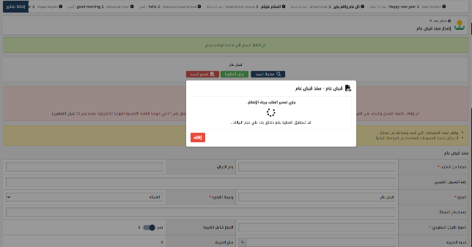 | Fail
TC_197 | User Interface - Filter Display After Applying | Verify the applied filters are clearly displayed to the user | Filters are applied | 1- Apply several filters 2- Observe the filter display on the screen. | Multiple applied filters | The applied filters are clearly displayed (in a summary area, as tags), allowing the user to easily see the current filter criteria. | The system not filtering any data |  | Fail

